Sheet1
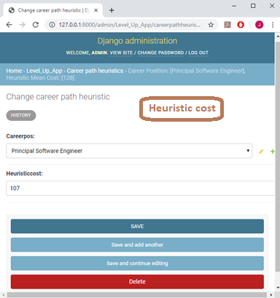 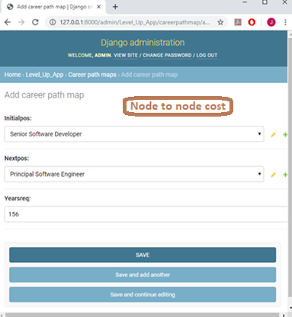
Step 1: Upload post-processed dataset into project folder and run python code
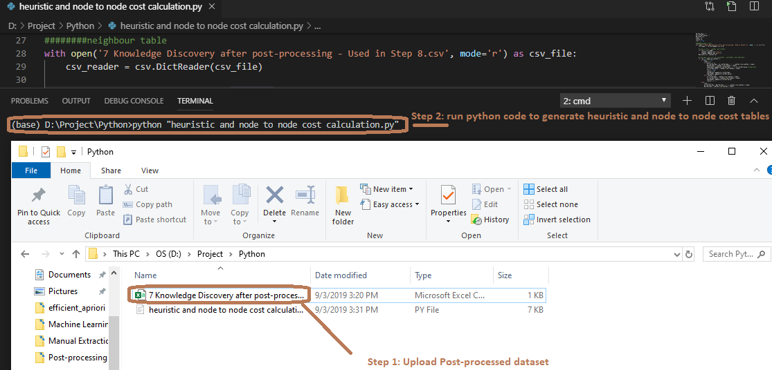

Step 2: Open generated heuristic and node to node cost excel table for knowledge discovery extraction
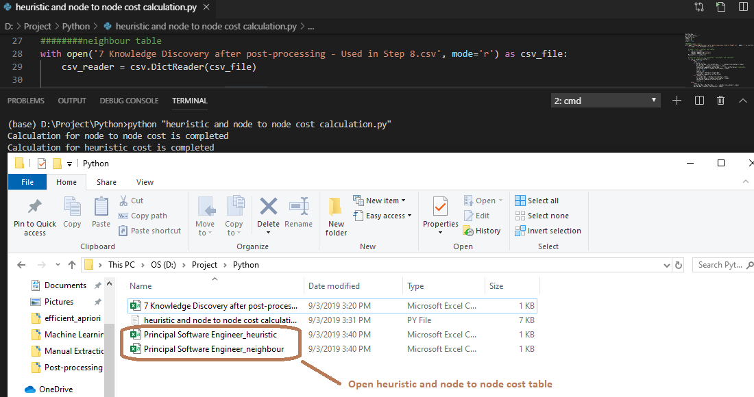

Heuristic cost extraction
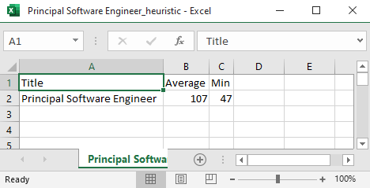 | Remarks: Average cost was used for heuristic as it takes around 100 months for majority of the people to reach Principal Software Engineer

Node to node cost extraction
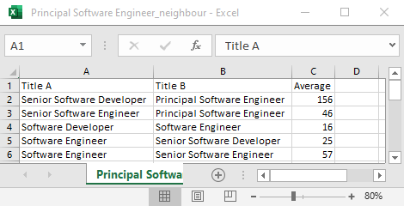

Step 3: Load heuristic and node to node cost data into knowledge base

